1spool-GasTurbineCycle
Operative Conditions | Units | Design Point
Sea level | km | 0.0000
Temperature °C | °C | 15.0400
Temperature, K | K | 288.0400
Pressure, kPa | kPa | 101.2161
Density | kg/m3 | 1.2248
Pressure | psia | 14.6802
Local sound speed a0 | m/s | 340.1977
Velocity V0 | m/s | 0.0000
Mach | M0 | 0.0000
Newtonian grav const G | m3/kgs^2 | 6.6743E-11

Gas Properties
CP cold | kJ/kgK | 1.0055
y cold | - | 1.4000
CP hot | kJ/kgK | 1.1695
y hot | - | 1.3300
CP AB | kJ/kgK | 1.2351
y AB | - | 1.3000
Type of fuel | - | Natural gas (g)
LHV | kJ/kg | 45000.0000

Design Parameters

Output requirement
Thrust | kN | -
Power | MW | 240

Shaft Speed
LP Spool | rpm | 3600.0000

Pressure Ratio (isentropic stagnation) |  | 9.0000
Inlet | - | 1.0000
OPR | - | 9.0000
LPC | - | 9.0000
Burner | - | 0.9800
P03/P04 | -
Nozzle vanes & Coolant mixer 1 | - | 0.9900
Nozzle | - | 0.9900
LPC-HPC Comp Recovery | - | -
HPC - LPC Turb Recovery | - | -

Temperature Ratios (adiabatic stagnation)
Before Inlet (V0) | - | 1.0000
Inlet | - | 1.0000
OPR | - | 17.3170
FPR | - | 1.2000
LPC | - | 1.0874
Burner | - | 0.9600
Nozzle vanes & Coolant mixer 1 | - | 0.9900
Nozzle | - | 0.9900
LPC-HPC Comp Recovery | - | -
HPC - LPC Turb Recovery | - | -

Efficiency
Comp Polytropic (LP) | - | 0.9000
Burner adiabatic | - | 0.9950
Turb Polytropic (LP) | - | 0.9100
Shaft/Mech (HP) | - | 0.9900

LPC Isentropic | - | 0.9000
LPT Isentropic | - | 0.0000

Bleeds
LP Compressor | % | 0.6%
HP Compressor | % | 6.3%
HP Turbine | % | 4.2%
HP Turbine exit | % | 1.2%
LP Turbine | % | 0.9%
Jet Pipe Cooling | % | 0.0%
 |  | 13.2%

Throttle
TIT | K | 1524.8556
Mass Flow air rate | kg/s | #REF!
A9/A8 |  | 1.8000

Mass flow
Total mass flow rate | kg/s | =
Total air mass flow rate | kg/s | #REF!
Total fuel flow | kg/s
bleed | kg/s | #REF!

Components
Ambient
p0 | kPa | 101.2161
Pt0 | kPa | 101.2161
t0 | °K | 288.040
Tt0 | °K | 288.040
a0 | m/s | 340.198
V0 | m/s | 0.000
RairCold | kJ/kg K | 0.287

inlet
Pt1 | kPa | 101.216
Pt2 | kPa | 101.216
Tt1 | °K | 288.040
Tt2 | °K | 288.040

LP Compressor
Pt2 | kPa | 101.216
Pt3 | kPa | 910.945
Tt2 | °K | 288.040
Tt3 | °K | 578.611
Specific Work (w_c) | kJ/kg | 292.169

Burner
fuel/air ratio (calculated) | -
fuel/air ratio (proposed) | - | 0.0020
Pt4 | kPa | 892.726
Tt4 | K | 1524.856
Heat generated Qb | kJ/kg | 1783.380
m4 √T4/P4 |  | #REF!
error | %

LP Turbine
Tt4 | °K | 1524.856
Tt5 (proposed) | °K | 1275.039
Pt4 | kPa | 892.726
Pt5 | kPa | 404.17536065
Specific Work (w_t) | kJ/kg | 292.170
m5 √T5/P5 |  | #REF!
error | %

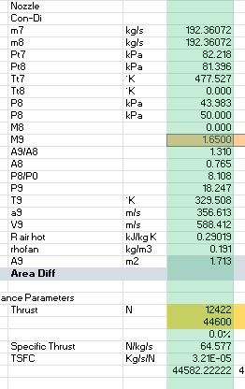
Nozzle
Con-Di
Pt5 | kPa | 404.175
Pt6 | kPa | 400.134
Tt5 | °K | 1275.039
Tt6 | °K | 1275.039
P6 (static pressure) | kPa | 101.216
M6 |  | 1.000
M7 |  | 1.6500
A7/A6 |  | 1.292
A6 |  | #REF!
P8/P0 |  | #REF!
P9 | kPa | 87.387
T9 | °K | 825.535
a9 | m/s | 18.222
V9 | m/s | 30.066
R air hot | kJ/kg K | 0.00029
rhofan | kg/m3 | 368.466
A9 | m2 | #REF!
Area Diff

Thrust | N | #REF!
 |  | 44600
 |  | #REF!
Specific Thrust | N/kg/s | #REF!
TSFC | Kg/s/N | #REF!
 |  | 44582.222222

Fuels
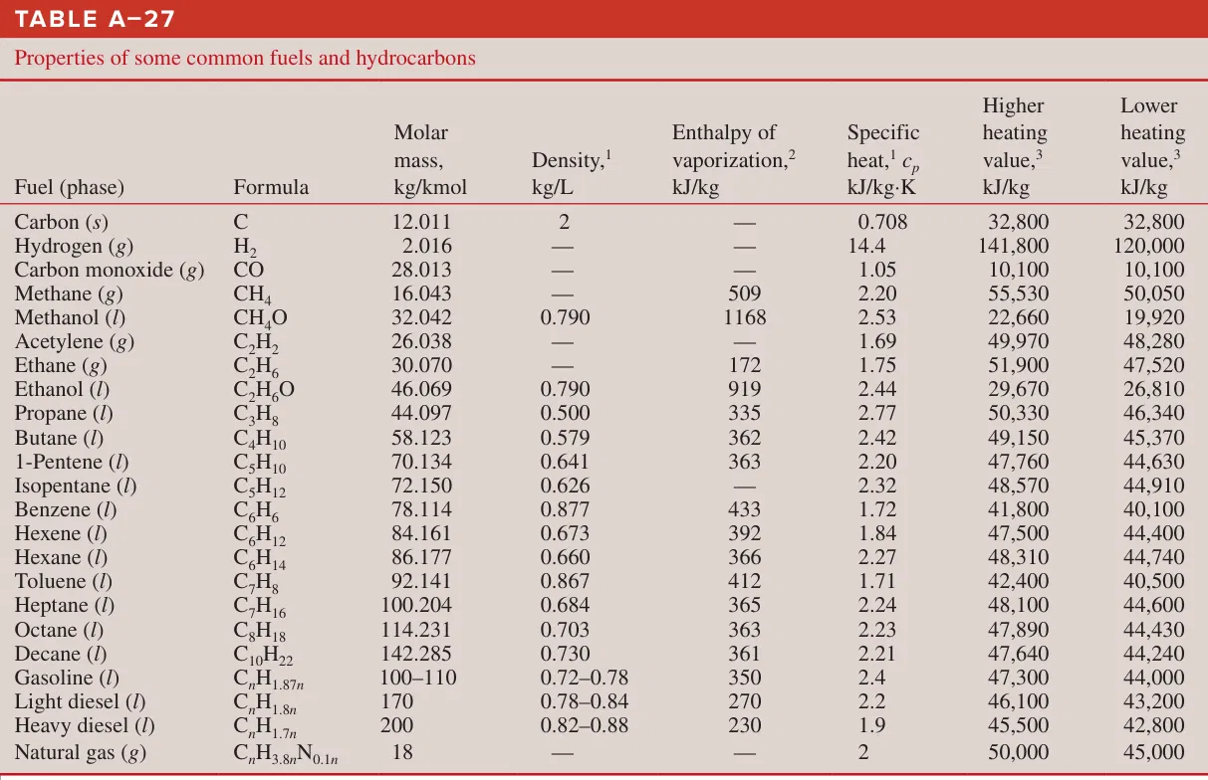
Fuel (phase) | Formula | Molar mass (kg/kmol) | Density (kg/L) | Enthalpy of vaporization (kJ/kg) | Specific heat cp (kJ/kg·K) | Higher heating value (kJ/kg) | Lower heating value (kJ/kg)
Carbon (s) | C | 12.011 | 2 |  | 0.708 | 32800 | 32800
Hydrogen (g) | H2 | 2.016 |  |  | 14.4 | 141800 | 120000
Carbon monoxide (g) | CO | 28.013 |  |  | 1.05 | 10100 | 10100
Methane (g) | CH4 | 16.043 |  | 509 | 2.2 | 55530 | 50050
Methanol (l) | CH4O | 32.042 | 0.79 | 1168 | 2.53 | 22660 | 19920
Acetylene (g) | C2H2 | 26.038 |  |  | 1.69 | 49970 | 48280
Ethane (g) | C2H6 | 30.07 |  | 172 | 1.75 | 51900 | 47520
Ethanol (l) | C2H6O | 46.069 | 0.79 | 919 | 2.44 | 29670 | 26810
Propane (l) | C3H8 | 44.097 | 0.5 | 335 | 2.77 | 50330 | 46340
Butane (l) | C4H10 | 58.123 | 0.579 | 362 | 2.42 | 49150 | 45370
1-Pentene (l) | C5H10 | 70.134 | 0.641 | 363 | 2.2 | 47760 | 44630
Isopentane (l) | C5H12 | 72.15 | 0.626 |  | 2.32 | 48570 | 44910
Benzene (l) | C6H6 | 78.114 | 0.877 | 433 | 1.72 | 41800 | 40100
Hexene (l) | C6H12 | 84.161 | 0.673 | 392 | 1.84 | 47500 | 44400
Hexane (l) | C6H14 | 86.177 | 0.66 | 366 | 2.27 | 48310 | 44740
Toluene (l) | C7H8 | 92.141 | 0.867 | 412 | 1.71 | 42400 | 40500
Heptane (l) | C7H16 | 100.204 | 0.684 | 365 | 2.24 | 48100 | 44600
Octane (l) | C8H18 | 114.231 | 0.703 | 363 | 2.23 | 47890 | 44430
Decane (l) | C10H22 | 142.285 | 0.73 | 361 | 2.21 | 47640 | 44240
Gasoline (l) | CnH1.87n | 100–110 | 0.72–0.78 | 350 | 2.4 | 47300 | 44000
Light diesel (l) | CnH1.8n | 170 | 0.78–0.84 | 270 | 2.2 | 46100 | 43200
Heavy diesel (l) | CnH1.7n | 200 | 0.82–0.88 | 230 | 1.9 | 45500 | 42800
Natural gas (g) | CnH3.8nN0.1n | 18 |  |  | 2 | 50000 | 45000

TF Main Iterations
PIA

Flight Conditions |  |  | Design Point Dry | Design Point Dry | Design Point Dry | Design Point Dry | Design Point Dry | Design Point Dry | Design Point Dry | Design Point Dry
Static | Cruise height | m | 0 | 16130 | 16130 | 16130 | 16130 | 16130 | 16130 | 16130
 | Temperature | °C | -51.5 | -51.5 | -51.5 | -51.5 | -51.5 | -51.5 | -51.5 | -51.5
 | Temperature | °K | 221.65 | 221.65 | 221.65 | 221.65 | 221.65 | 221.65 | 221.65 | 221.65
 | Pressure | kPa | 50.00 | 10.04 | 10.04 | 10.04 | 10.04 | 10.04 | 10.04 | 10.04
 | M0 |  | 2.0 | 2.0 | 2.0 | 2.0 | 2.0 | 2.0 | 2.0 | 2.0

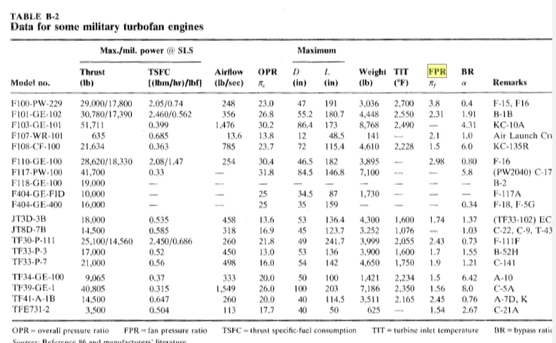
Gas Properties
 | CP cold | J/kgK | 1005.5 | 1005.5 | 1005.5 | 1005.5 | 1005.5 | 1005.5 | 1005.5 | 1005.5
 | y cold |  | 1.4 | 1.4 | 1.4 | 1.4 | 1.4 | 1.4 | 1.4 | 1.4
 | CP hot | J/kg | 1169.54 | 1169.54 | 1169.54 | 1169.54 | 1169.54 | 1169.54 | 1169.54 | 1169.54
 | y hot |  | 1.33 | 1.33 | 1.33 | 1.33 | 1.33 | 1.33 | 1.33 | 1.33
 | CP AB | J/kg | 1235.1 | 1235.1 | 1235.1 | 1235.1 | 1235.1 | 1235.1 | 1235.1 | 1235.1
 | y AB |  | 1.3 | 1.3 | 1.3 | 1.3 | 1.3 | 1.3 | 1.3 | 1.3
 | FHV | kJ/kg | 43152.88 | 43152.88 | 43152.88 | 43152.88 | 43152.88 | 43152.88 | 43152.88 | 43152.88

 | Design
 | Shaft Speed
 | LP Spool | rpm | 8382 | 8382 | 8382 | 8382 | 8382 | 8382 | 8382 | 8382
 | HP Spool | rpm | 5819 | 5819 | 5819 | 5819 | 5819 | 5819 | 5819 | 5819

 | Pressure Ratio |  | 16.23 | 16.23 | 16.23 | 16.23 | 16.23 | 16.23 | 16.23 | 16.23
 | Inlet | - | 0.937 | 0.937 | 0.937 | 0.937 | 0.937 | 0.937 | 0.937 | 0.937
 | OPR | - | 17.32 | 17.32 | 17.32 | 17.32 | 17.32 | 17.32 | 17.32 | 17.32
 | FPR |  | 1.200 | 1.400 | 1.600 | 1.800 | 2.000 | 2.200 | 2.400 | 2.600
 | LPC | - | 1.087 | 1.269 | 1.450 | 1.631 | 1.812 | 1.994 | 2.175 | 2.356
 | HPC | - | 14.431 | 12.369 | 10.823 | 9.621 | 8.658 | 7.871 | 7.215 | 6.660
 | Burner | - | 0.96 | 0.96 | 0.96 | 0.96 | 0.96 | 0.96 | 0.96 | 0.96
 | Afterburner | - | 0.99 | 0.99 | 0.99 | 0.99 | 0.99 | 0.99 | 0.99 | 0.99
 | Fan Duct |  | 0.99 | 0.99 | 0.99 | 0.99 | 0.99 | 0.99 | 0.99 | 0.99
 | Mixer | - | 0.99 | 0.99 | 0.99 | 0.99 | 0.99 | 0.99 | 0.99 | 0.99
 | Nozzle | - | 0.99 | 0.99 | 0.99 | 0.99 | 0.99 | 0.99 | 0.99 | 0.99
 | LPC-HPC Comp Recovery |  | 0.99 | 0.99 | 0.99 | 0.99 | 0.99 | 0.99 | 0.99 | 0.99
 | HPC - LPC Turb Recovery |  | 0.99 | 0.99 | 0.99 | 0.99 | 0.99 | 0.99 | 0.99 | 0.99

 | Efficiency
 | Fan Polytropic |  | 0.9179 | 0.9179 | 0.9179 | 0.9179 | 0.9179 | 0.9179 | 0.9179 | 0.9179
 | Comp Polytropic (LP) | - | 0.9110 | 0.9110 | 0.9110 | 0.9110 | 0.9110 | 0.9110 | 0.9110 | 0.9110
 | Comp Polytropic (HP) | - | 0.9100 | 0.9100 | 0.9100 | 0.9100 | 0.9100 | 0.9100 | 0.9100 | 0.9100
 | Burner | - | 0.9995 | 0.9995 | 0.9995 | 0.9995 | 0.9995 | 0.9995 | 0.9995 | 0.9995
 | Afterburner | - | 0.9900 | 0.9900 | 0.9900 | 0.9900 | 0.9900 | 0.9900 | 0.9900 | 0.9900
 | Turb Polytropic (HP) | - | 0.8489 | 0.8489 | 0.8489 | 0.8489 | 0.8489 | 0.8489 | 0.8489 | 0.8489
 | Turb Polytropic (LP) | - | 0.9480 | 0.9480 | 0.9480 | 0.9480 | 0.9480 | 0.9480 | 0.9480 | 0.9480
 | Shaft/Mech (HP) | - | 0.9900 | 0.9900 | 0.9900 | 0.9900 | 0.9900 | 0.9900 | 0.9900 | 0.9900
 | Shaft/Mech (LP) | - | 0.9900 | 0.9900 | 0.9900 | 0.9900 | 0.9900 | 0.9900 | 0.9900 | 0.9900

 | LPC Isentropic | - | 0.910 | 0.908 | 0.906 | 0.905 | 0.903 | 0.902 | 0.901 | 0.900
 | HPC Isentropic | - | 0.873 | 0.876 | 0.878 | 0.879 | 0.881 | 0.882 | 0.884 | 0.885

 | Bleeds
 | LP Compressor | % | 0.006 | 0.006 | 0.006 | 0.006 | 0.006 | 0.006 | 0.006 | 0.006
 | HP Compressor | % | 0.063 | 0.063 | 0.063 | 0.063 | 0.063 | 0.063 | 0.063 | 0.063
 | HP Turbine | % | 0.042 | 0.042 | 0.042 | 0.042 | 0.042 | 0.042 | 0.042 | 0.042
 | HP Turbine exit | % | 0.012 | 0.012 | 0.012 | 0.012 | 0.012 | 0.012 | 0.012 | 0.012
 | LP Turbine | % | 0.009 | 0.009 | 0.009 | 0.009 | 0.009 | 0.009 | 0.009 | 0.009
 | Jet Pipe Cooling | % | 0.000 | 0.000 | 0.000 | 0.000 | 0.000 | 0.000 | 0.000 | 0.000

 |  |  | 8.002 | 8.002 | 8.002 | 8.002 | 8.002 | 8.002 | 8.002 | 8.002
 | Throttle
 | TIT | °K | 1524.9 | 1524.9 | 1524.9 | 1524.9 | 1524.9 | 1524.9 | 1524.9 | 1524.9
 | T-ab
 | Bypass ratio |  | 8.029 | 3.466 | 1.941 | 1.176 | 0.716 | 0.000 | 0.188 | 0.022
 | Mass Flow air rate | kg/s | 21.264 | 42.994 | 65.286 | 88.225 | 111.884 | 136.333 | 161.640 | 187.873
 | Turbine Exit Mach No |  | 0.439 | 0.439 | 0.439 | 0.439 | 0.439 | 0.439 | 0.439 | 0.439
 | A9/A8 |  | 1.8 | 1.8 | 1.8 | 1.8 | 1.8 | 1.8 | 1.8 | 1.8

 | Mass flow
 | Total air mass flow rate |  | 192.00 | 192.00 | 192.00 | 192.00 | 192.00 | 192.00 | 192.00 | 192.00
 | Fan air mass flow rate |  | 0.00 | 149.01 | 126.71 | 103.78 | 80.12 | 55.67 | 30.36 | 4.13
 | Core air mass flow rate | kg/s | 0.00 | 42.99 | 65.29 | 88.22 | 111.88 | 136.33 | 161.64 | 187.87
 | Combustor Fuel flow | kg/s | 0.40 | 0.81 | 1.22 | 1.65 | 2.10 | 2.55 | 3.03 | 3.52
 | Afterburner fuel flow | kg/s
 | Total fuel flow | kg/s
 | bleed | kg/s | 0.157 | 0.318 | 0.483 | 0.653 | 0.828 | 1.009 | 1.196 | 1.390

 | Components
 | Ambient
 | m0 |  | 192.00 | 192.00 | 192.00 | 192.00 | 192.00 | 192.00 | 192.00 | 192.00
 | p0 | kPa | 50.0000 | 10.0388 | 10.0388 | 10.0388 | 10.0388 | 10.0388 | 10.0388 | 10.0388
 | Pt0 | kPa | 390.7536 | 78.4537 | 78.4537 | 78.4537 | 78.4537 | 78.4537 | 78.4537 | 78.4537
 | t0 | °K | 221.650 | 221.650 | 221.650 | 221.650 | 221.650 | 221.650 | 221.650 | 221.650
 | Tt0 | °K | 398.833 | 398.833 | 398.833 | 398.833 | 398.833 | 398.833 | 398.833 | 398.833
 | a0 | m/s | 298.583 | 298.583 | 298.583 | 298.583 | 298.583 | 298.583 | 298.583 | 298.583
 | V0 | m/s | 596.936 | 596.936 | 596.936 | 596.936 | 596.936 | 596.936 | 596.936 | 596.936
 | RairCold | kJ/kg K | 0.287 | 0.287 | 0.287 | 0.287 | 0.287 | 0.287 | 0.287 | 0.287

 | inlet
 | m1 |  | 192.000 | 192.000 | 192.000 | 192.000 | 192.000 | 192.000 | 192.000 | 192.000
 | Pt1 | kPa | 390.754 | 78.454 | 78.454 | 78.454 | 78.454 | 78.454 | 78.454 | 78.454
 | Pt2 | kPa | 366.136 | 73.511 | 73.511 | 73.511 | 73.511 | 73.511 | 73.511 | 73.511
 | Tt1 | °K | 398.833 | 398.833 | 398.833 | 398.833 | 398.833 | 398.833 | 398.833 | 398.833
 | Tt2 | °K | 398.833 | 398.833 | 398.833 | 398.833 | 398.833 | 398.833 | 398.833 | 398.833

 | Fan
 | m2 | kg/s | 192.00 | 192.00 | 192.00 | 192.00 | 192.00 | 192.00 | 192.00 | 192.00
 | m13 | kg/s | 170.74 | 149.01 | 126.71 | 103.78 | 80.12 | 55.67 | 30.36 | 4.13
 | Pt2 | kPa | 366.136 | 73.511 | 73.511 | 73.511 | 73.511 | 73.511 | 73.511 | 73.511
 | Pt13 | kPa | 439.363 | 102.916 | 117.618 | 132.320 | 147.022 | 161.724 | 176.427 | 191.129
 | Pt16 | kPa | 434.965 | 101.885 | 116.440 | 130.995 | 145.550 | 160.105 | 174.660 | 189.215
 | Tt12 | °K | 398.833 | 398.833 | 398.833 | 398.833 | 398.833 | 398.833 | 398.833 | 398.833
 | Tt13 | °K | 422.123 | 442.873 | 461.669 | 478.910 | 494.877 | 509.780 | 523.776 | 536.990
 | Tt16 | °K | 422.123 | 442.873 | 461.669 | 478.910 | 494.877 | 509.780 | 523.776 | 536.990
 | M16 |  | 0.428 | 0.428 | 0.428 | 0.428 | 0.428 | 0.428 | 0.428 | 0.428
 | Power |  | 3.998 | 6.599 | 8.006 | 8.356 | 7.737 | 6.210 | 3.814 | 0.573

 | LP Compressor
 | m2 | kg/s | 192.000 | 192.000 | 192.000 | 192.000 | 192.000 | 192.000 | 192.000 | 192.000
 | m21 | kg/s | 21.264 | 42.994 | 65.286 | 88.225 | 111.884 | 136.333 | 161.640 | 187.873
 | Pt2 | kPa | 366.136 | 73.511 | 73.511 | 73.511 | 73.511 | 73.511 | 73.511 | 73.511
 | Pt21 | kPa | 398.142 | 93.260 | 106.583 | 119.906 | 133.228 | 146.551 | 159.874 | 173.197
 | Tt2 | °K | 398.833 | 398.833 | 398.833 | 398.833 | 398.833 | 398.833 | 398.833 | 398.833
 | Tt21 | °K | 409.455 | 429.738 | 448.118 | 464.982 | 480.605 | 495.188 | 508.888 | 521.826
 | Power | MW | 0.227 | 1.336 | 3.235 | 5.868 | 9.200 | 13.209 | 17.888 | 23.235

 | HP compressor
 | m25 | kg/s | 21.264 | 42.994 | 65.286 | 88.225 | 111.884 | 136.333 | 161.640 | 187.873
 | Pt25 | kPa | 394.161 | 92.327 | 105.517 | 118.707 | 131.896 | 145.086 | 158.275 | 171.465
 | Pt3 | kPa | 5688.066 | 1142.023 | 1142.023 | 1142.023 | 1142.023 | 1142.023 | 1142.023 | 1142.023
 | Tt25 | °K | 409.455 | 429.738 | 448.118 | 464.982 | 480.605 | 495.188 | 508.888 | 521.826
 | Tt3 | °K | 946.654 | 946.606 | 946.565 | 946.528 | 946.495 | 946.465 | 946.438 | 946.413
 | Power | MW | 11.487 | 22.345 | 32.722 | 42.720 | 52.415 | 61.865 | 71.118 | 80.211

 | Burner
 | m3 | kg/s | 21.146 | 42.754 | 64.923 | 87.734 | 111.261 | 135.574 | 160.740 | 186.827
 | m31 | kg/s | 19.809 | 40.050 | 60.817 | 82.185 | 104.225 | 127.000 | 150.574 | 175.012
 | fuel/air ratio | - | 0.020109 | 0.020110 | 0.020111 | 0.020112 | 0.020113 | 0.020114 | 0.020114 | 0.020115
 | mf | kg/s | 0.398 | 0.805 | 1.223 | 1.653 | 2.096 | 2.554 | 3.029 | 3.520
 | m4 | kg/s | 20.207 | 40.856 | 62.040 | 83.838 | 106.321 | 129.554 | 153.603 | 178.532
 | Pt4 | kPa | 5460.543 | 1096.342 | 1096.342 | 1096.342 | 1096.342 | 1096.342 | 1096.342 | 1096.342
 | Tt4 |  | 1524.856 | 1524.856 | 1524.856 | 1524.856 | 1524.856 | 1524.856 | 1524.856 | 1524.856
 | Qb | MW | 0.000 | 30.882 | 46.897 | 63.378 | 80.377 | 97.946 | 116.131 | 134.984
 | m4 √T4/P4 |  | 0.7197 | 1.4552 | 2.2097 | 2.9861 | 3.7869 | 4.6145 | 5.4710 | 6.3589
 | error | %

 | HP turbine
 | m41 | kg/s | 21.053 | 42.567 | 64.638 | 87.349 | 110.773 | 134.980 | 160.036 | 186.009
 | m44 | kg/s | 21.313 | 43.092 | 65.436 | 88.428 | 112.141 | 136.647 | 162.012 | 188.306
 | Tt41 | °K | 0.000 | 1497.990 | 1497.989 | 1497.987 | 1497.986 | 1497.985 | 1497.984 | 1497.983
 | Tt43 | °K | 1026.775 | 1044.607 | 1060.765 | 1075.589 | 1089.320 | 1102.138 | 1114.178 | 1125.547
 | Tt44 | °K | 1024.277 | 1041.892 | 1057.852 | 1072.495 | 1086.058 | 1098.719 | 1110.612 | 1121.843
 | Pt41 | kPa | 5460.543 | 1096.342 | 1096.342 | 1096.342 | 1096.342 | 1096.342 | 1096.342 | 1096.342
 | Pt43 | kPa | 182.458 | 198.002 | 212.971 | 227.476 | 241.598 | 255.397 | 268.918 | 282.198
 | Pt44 | kPa | 182.458 | 198.002 | 212.971 | 227.476 | 241.598 | 255.397 | 268.918 | 282.198
 | Powr | MW | 11.603 | 22.571 | 33.053 | 43.152 | 52.944 | 62.490 | 71.836 | 81.021
 | m4.5 √T4.5/P4.5 |  | 3.743 | 7.034 | 10.007 | 12.749 | 15.320 | 17.762 | 20.110 | 22.387
 | error | %

 | LP Turbine
 | m45 | kg/s | 21.505 | 43.481 | 66.026 | 89.225 | 113.152 | 137.878 | 163.473 | 190.003
 | m5 | kg/s | 21.625 | 43.723 | 66.394 | 89.722 | 113.782 | 138.646 | 164.383 | 191.062
 | Tt45 | °K | 1022.381 | 1039.838 | 1055.655 | 1070.167 | 1083.609 | 1096.156 | 1107.943 | 1119.073
 | Tt5 | °K | 853.617 | 883.103 | 909.418 | 933.241 | 955.047 | 975.186 | 993.919 | 1011.449
 | Pt45 | kPa | 180.631 | 196.019 | 210.838 | 225.199 | 239.179 | 252.840 | 266.225 | 279.373
 | Pt5 | kPa | 83.887 | 97.868 | 111.849 | 125.830 | 139.811 | 153.792 | 167.774 | 181.755

 | Powr | MW | 4.245 | 7.970 | 11.292 | 14.289 | 17.013 | 19.507 | 21.800 | 23.916
 | m5 √T5/P5 |  | 7.532 | 13.276 | 17.901 | 21.783 | 25.150 | 28.152 | 30.889 | 33.432
 | error

 | Mixer
 | BPRcalc |  | 8.029 | 3.466 | 1.941 | 1.176 | 0.716 | 0.408 | 0.188 | 0.022
 | m5 | kg/s | 21.625 | 43.723 | 66.394 | 89.722 | 113.782 | 138.646 | 164.383 | 191.062
 | m16 | kg/s | 170.736 | 149.006 | 126.714 | 103.775 | 80.116 | 55.667 | 30.360 | 4.127
 | m64 | kg/s | 192.361 | 192.729 | 193.108 | 193.497 | 193.898 | 194.313 | 194.743 | 195.188
 | T5 | °K | 827.309 | 855.887 | 881.391 | 904.479 | 925.614 | 945.132 | 963.287 | 980.278
 | Tt5 | °K | 853.617 | 883.103 | 909.418 | 933.241 | 955.047 | 975.186 | 993.919 | 1011.449
 | Tt6 | °K | 853.617 | 883.103 | 909.418 | 933.241 | 955.047 | 975.186 | 993.919 | 1011.449
 | T16 | °K | 407.178 | 427.193 | 445.324 | 461.954 | 477.356 | 491.731 | 505.232 | 517.978
 | Tt16 | °K | 422.123 | 442.873 | 461.669 | 478.910 | 494.877 | 509.780 | 523.776 | 536.990
 | Tt64 | °K | 477.527 | 554.888 | 631.213 | 706.708 | 781.519 | 855.754 | 929.494 | 1002.800
 | Pt5 | kPa | 83.887 | 97.868 | 111.849 | 125.830 | 139.811 | 153.792 | 167.774 | 181.755
 | P6 | kPa | 73.204 | 85.405 | 97.605 | 109.806 | 122.007 | 134.207 | 146.408 | 158.609
 | Pt6 | kPa | 83.048 | 96.889 | 110.730 | 124.571 | 138.413 | 152.254 | 166.095 | 179.937
 | Pt16 | kPa | 434.965 | 101.885 | 116.440 | 130.995 | 145.550 | 160.105 | 174.660 | 189.215
 | Pt64 | kPa | 82.218 | 95.393 | 108.784 | 122.426 | 136.339 | 150.533 | 165.010 | 179.770
 | M6 |  | 0.439 | 0.439 | 0.439 | 0.439 | 0.439 | 0.439 | 0.439 | 0.439
 | M16 |  | 0.428 | 0.428 | 0.428 | 0.428 | 0.428 | 0.428 | 0.428 | 0.428
 | M64 |  | 0.440 | 0.447 | 0.451 | 0.452 | 0.451 | 0.448 | 0.445 | 0.440
 | Cp16 | J/kgK | 1024 | 1043 | 1062 | 1082 | 1102 | 1123 | 1144 | 1166
 | y16 |  | 1.39 | 1.38 | 1.37 | 1.36 | 1.36 | 1.35 | 1.34 | 1.33
 | A163/A63 |  | 5.488 | 2.385 | 1.344 | 0.819 | 0.501 | 0.287 | 0.133 | 0.016
 | C1 |  | 1.2568 | 1.2568 | 1.2567 | 1.2566 | 1.2565 | 1.2565 | 1.2564 | 1.2563
 | C2 |  | 0.4440 | 0.4488 | 0.4514 | 0.4523 | 0.4521 | 0.4509 | 0.4490 | 0.4464
 | C |  | 8.0122 | 7.8426 | 7.7520 | 7.7169 | 7.7235 | 7.7633 | 7.8305 | 7.9214

 | Nozzle
 | Con-Di
 | m7 | kg/s | 192.36072 | 192.72938 | 193.10763 | 193.49688 | 193.89838 | 194.31332 | 194.74284 | 195.18810
 | m8 | kg/s | 192.36072 | 192.72938 | 193.10763 | 193.49688 | 193.89838 | 194.31332 | 194.74284 | 195.18810
 | Pt7 | kPa | 82.218 | 95.393 | 108.784 | 122.426 | 136.339 | 150.533 | 165.010 | 179.770
 | Pt8 | kPa | 81.396 | 94.439 | 107.696 | 121.202 | 134.976 | 149.028 | 163.360 | 177.973
 | Tt7 | °K | 477.527 | 554.888 | 631.213 | 706.708 | 781.519 | 855.754 | 929.494 | 1002.800
 | Tt8 | °K | 0.000 | 554.888 | 631.213 | 706.708 | 781.519 | 855.754 | 929.494 | 1002.800
 | P8 | kPa | 43.983 | 51.031 | 58.195 | 65.493 | 72.936 | 80.529 | 88.274 | 96.170
 | P8 | kPa | 50.000 | 10.039 | 10.039 | 10.039 | 10.039 | 10.039 | 10.039 | 10.039
 | M8 |  | 0.000 | 1.000 | 1.000 | 1.000 | 1.000 | 1.000 | 1.000 | 1.000
 | M9 |  | 1.6500 | 1.6500 | 1.6500 | 1.6500 | 1.6500 | 1.6500 | 1.6500 | 1.6500
 | A9/A8 |  | 1.310 | 1.310 | 1.310 | 1.310 | 1.310 | 1.310 | 1.310 | 1.310
 | A8 |  | 0.765 | 0.821 | 0.876 | 0.930 | 0.983 | 1.035 | 1.086 | 1.137
 | P8/P0 |  | 8.108 | 9.407 | 10.728 | 12.073 | 13.445 | 14.845 | 16.273 | 17.729
 | P9 |  | 18.247 | 21.171 | 24.143 | 27.171 | 30.258 | 33.408 | 36.621 | 39.897
 | T9 | °K | 329.508 | 382.889 | 435.556 | 487.650 | 539.271 | 590.496 | 641.378 | 691.962
 | a9 | m/s | 356.613 | 384.416 | 410.003 | 433.829 | 456.214 | 477.390 | 497.533 | 516.780
 | V9 | m/s | 588.412 | 634.286 | 676.504 | 715.818 | 752.753 | 787.693 | 820.929 | 852.687
 | R air hot | kJ/kg K | 0.29019 | 0.29019 | 0.29019 | 0.29019 | 0.29019 | 0.29019 | 0.29019 | 0.29019
 | rhofan | kg/m3 | 0.191 | 0.191 | 0.191 | 0.192 | 0.193 | 0.195 | 0.197 | 0.199
 | A9 | m2 | 1.713 | 1.595 | 1.494 | 1.408 | 1.332 | 1.265 | 1.206 | 1.152
 | Area Diff

Performance Parameters
 | Thrust | N | 12422 | 24951 | 36442 | 47122 | 57149 | 66636 | 75670 | 84319
 |  |  | 44600 | 44600 | 44600 | 44600 | 44600 | 44600 | 44600 | 44600
 |  |  | 0.0% | -44.1% | -18.3% | 5.7% | 28.1% | 49.4% | 69.7% | 89.1%
 | Specific Thrust | N/kg/s | 64.577 | 129.460 | 188.715 | 243.531 | 294.735 | 342.929 | 388.563 | 431.987
 | TSFC | Kg/s/N | 3.21E-05 | 3.23E-05 | 3.36E-05 | 3.51E-05 | 3.67E-05 | 3.83E-05 | 4.00E-05 | 4.18E-05
 |  |  | 44582.222222 | 44582.222222 | 44582.222222 | 44582.222222 | 44582.222222 | 44582.222222 | 44582.222222 | 44582.222222

TF Main CalcsR1
PIA
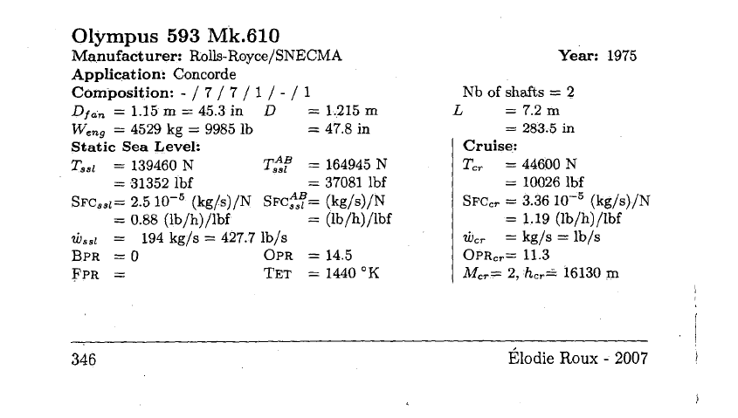
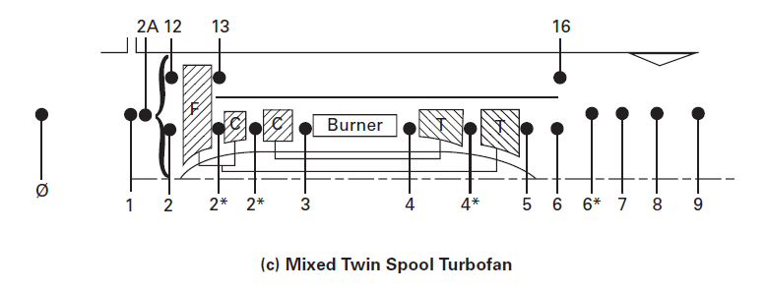
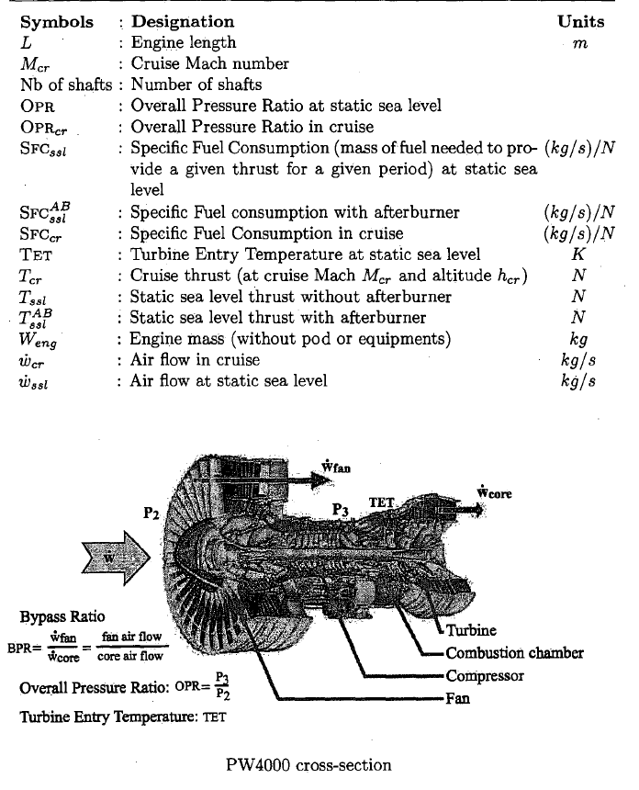

Flight Conditions |  |  | Design Point Dry | Design Point Dry |  | Design Point Dry
Static | Cruise height | m | 16130 | 0 |  | 0
 | Temperature | °C | -51.5 | 25 |  | 25
 | Temperature | °K | 221.65 | 298.15 |  | 298.15
 | Pressure | kPa | 10.04 | 101.33 |  | 101.33
 | M0 |  | 2.0 | 0.3 |  | 0.3

Gas Properties
 | CP cold | J/kgK | 1005.5 | 1005.5 |  | 1005.5
 | y cold |  | 1.4 | 1.4 |  | 1.4
 | CP hot | J/kg | 1169.54 | 1169.54 |  | 1169.54
 | y hot |  | 1.33 | 1.33 |  | 1.33
 | CP AB | J/kg | 1235.1 | 1235.1 |  | 1235.1
 | y AB |  | 1.3 | 1.3 |  | 1.3
 | FHV | kJ/kg | 43152.88 | 43152.88 |  | 43152.88

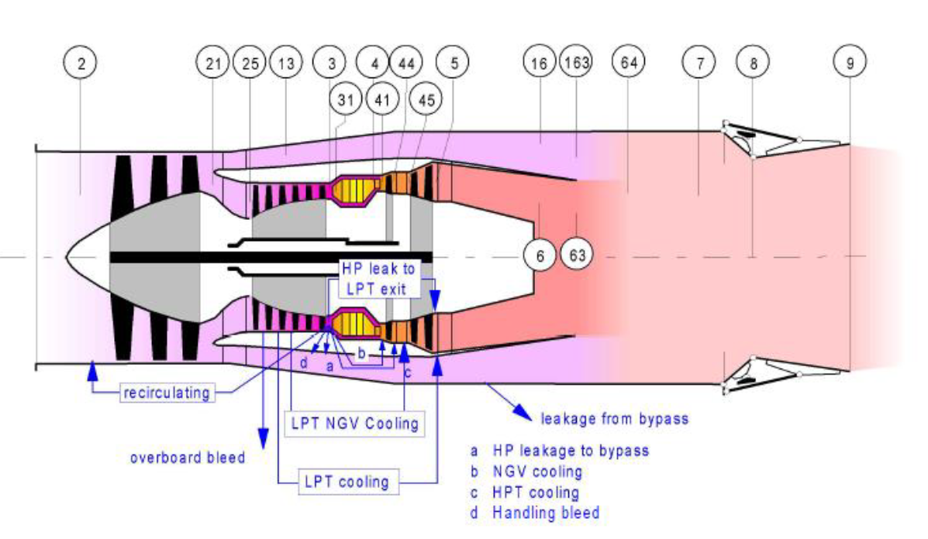
Design
Shaft Speed
 | LP Spool | rpm | 8382 | 8382 |  | 8382
 | HP Spool | rpm | 5819 | 5819 |  | 5819

Pressure Ratio |  |  | 13.49 | 28.82 |  | 28.82
 | Inlet | - | 0.937 | 0.986 |  | 0.986
 | OPR | - | 14.70 | 31.42 |  | 31.42
 | FPR |  | 1.739 | 2.38 |  | 2.38
 | LPC | - | 1.576 | 2.157 |  | 2.157
 | HPC | - | 8.451 | 13.200 |  | 13.200
 | Burner | - | 0.96 | 0.960 |  | 0.960
 | Afterburner | - | 0.99 | 0.990 |  | 0.990
 | Fan Duct |  | 0.99 | 0.840 |  | 0.840
 | Mixer | - | 0.99 | 0.990 |  | 0.990
 | Nozzle | - | 0.99 | 0.990 |  | 0.990
 | LPC-HPC Comp Recovery |  | 0.98 | 0.930 |  | 0.930
 | HPC - LPC Turb Recovery |  | 0.98 | 0.980 |  | 0.980

Efficiency
 | Fan Polytropic |  | 0.9179 | 0.9179 |  | 0.9179
 | Turb Polytropic (LP) | - | 0.9480 | 0.9480 |  | 0.9480
 | Shaft/Mech (HP) | - | 0.9900 | 0.9900 |  | 0.9900
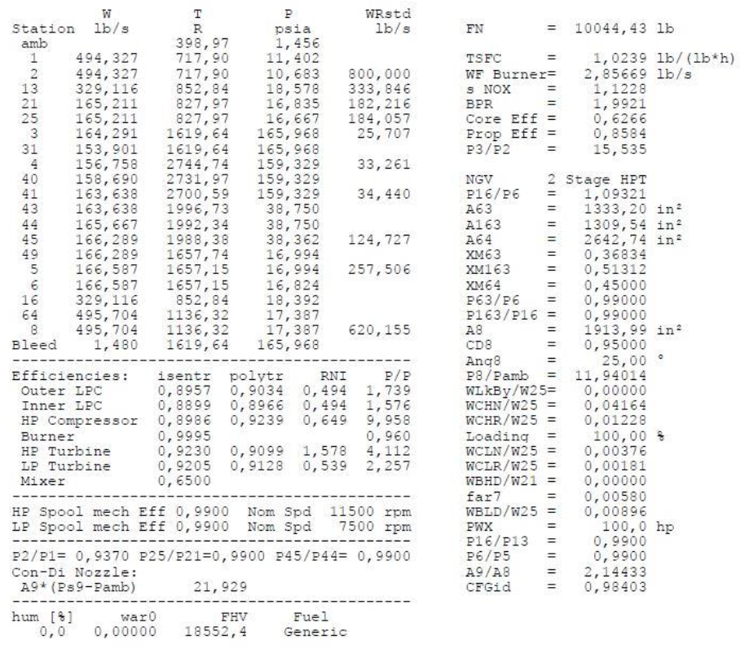
 | Shaft/Mech (LP) | - | 0.9900 | 0.9900 |  | 0.9900
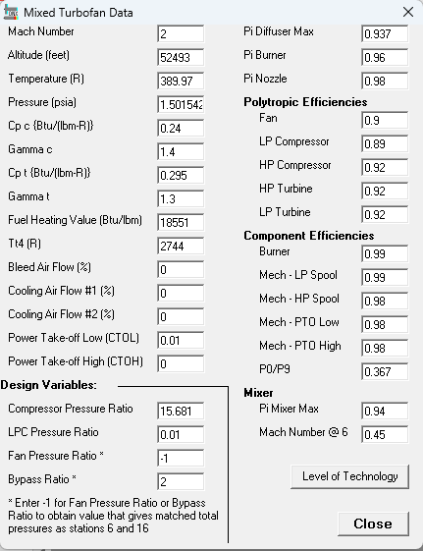
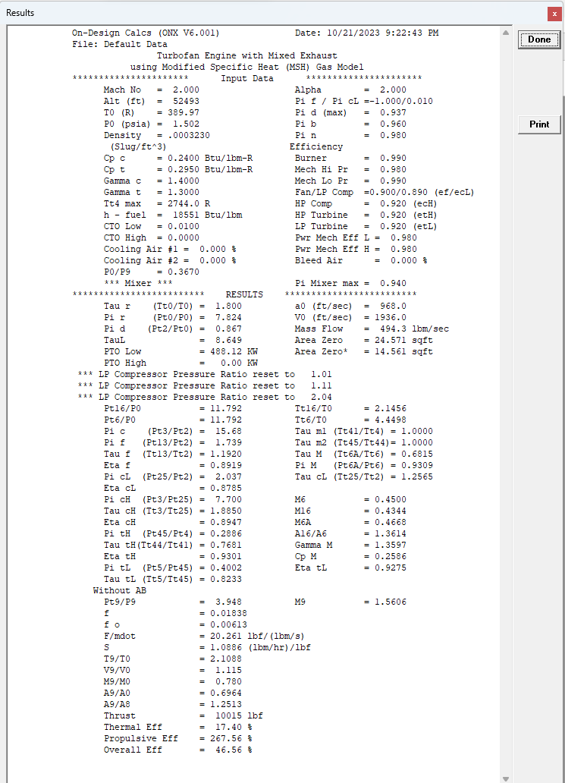
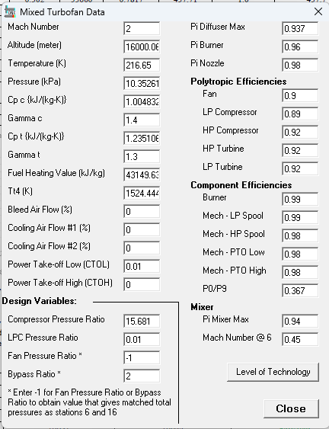
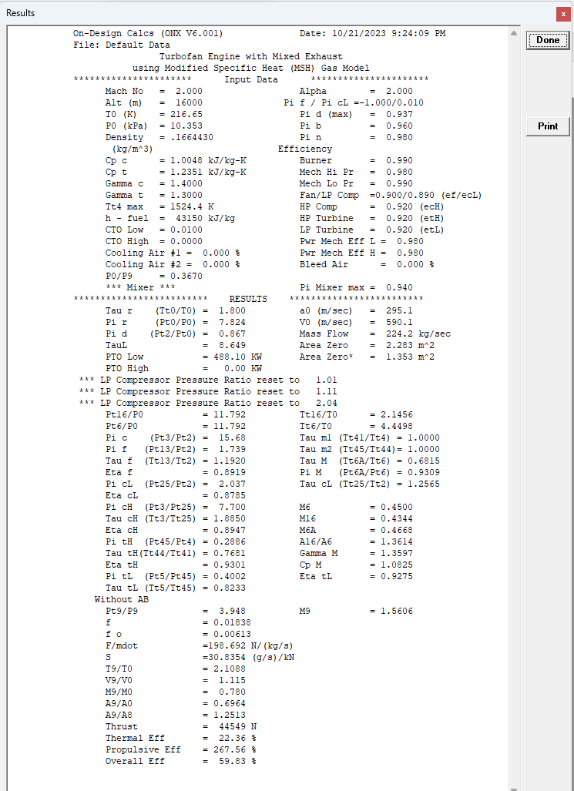
 | LPC Isentropic | - | 0.905 | 0.901 |  | 0.901 | 257.51545461
 | HPC Isentropic | - | 0.881 | 0.875 |  | 0.875
 |  |  |  |  |  |  | 1.739
Bleeds |  |  |  |  |  |  | 1
 | LP Compressor | % | 0.006 | 0.006 |  | 0.006 | 9.958
 | HP Compressor | % | 0.063 | 0.058 |  | 0.058 | 17.316962
 | HP Turbine | % | 0.042 | 0.042 |  | 0.042
 | HP Turbine exit | % | 0.012 | 0.012 |  | 0.012
 | LP Turbine | % | 0.009 | 0.004 |  | 0.004
 | Jet Pipe Cooling | % | 0.000 | 0.000 |  | 0.000 | 15.6812

 |  |  | 7.976 | 6.437 |  | 6.437 | 11.402
 | Throttle |  |  |  |  |  | 10.683
 | TIT | °K | 1520.0 | 1650.0 |  | 1650.0 | 0.93694088756
 | T-ab
 | Bypass ratio |  | 1.54982 | 1.18545 |  | 1.19648
 | Mass Flow air rate | kg/s | 87.922 | 534.348 |  | 535.127
 | Turbine Exit Mach No |  | 0.439 | 0.439 |  | 0.439
 | A9/A8 |  | 1.8 | 1.8 |  | 1.8

Mass flow |  |  |  |  |  |  |  | 0.94535667682
 | Total air mass flow rate |  | 224.18 | 534.348 |  | 535.127 |  | 0.9801
 | Fan air mass flow rate |  | 136.26 | 289.85 |  | 291.50 |  | 0.970299
 | Core air mass flow rate | kg/s | 87.92 | 244.50 |  | 243.63
 | Combustor Fuel flow | kg/s | 1.73 | 5.87 |  | 5.85
 | Afterburner fuel flow | kg/s |  |  |  |  |  | 0.083752093802
 | Total fuel flow | kg/s
 | bleed | kg/s | 0.645 | 1.666 |  | 1.660

Components
Ambient
 | m0 |  | 224.18 | 534.3482646 |  | 535.12680939
 | p0 | kPa | 10.0388 | 101.3254 |  | 101.3254
 | Pt0 | kPa | 78.4537 | 107.9374 |  | 107.9374
 | t0 | °K | 221.650 | 298.150 |  | 298.150
 | Tt0 | °K | 398.833 | 303.584 |  | 303.584
 | a0 | m/s | 298.583 | 346.297 |  | 346.297
 | V0 | m/s | 596.936 | 104.538 |  | 104.538
 | RairCold | kJ/kg K | 0.287 | 0.287 |  | 0.287

inlet
 | m1 |  | 224.185 | 534.348 |  | 535.127
 | Pt1 | kPa | 78.454 | 107.937 |  | 107.937
 | Pt2 | kPa | 73.511 | 106.427 |  | 106.427
 | Tt1 | °K | 398.833 | 303.584 |  | 303.584
 | Tt2 | °K | 398.833 | 303.584 |  | 303.584

Fan
 | m2 | kg/s | 224.18 | 534.3482646 |  | 535.12680939
 | m13 | kg/s | 136.26 | 289.84539764 |  | 291.49791815
 | Pt2 | kPa | 73.511 | 106.42747848 |  | 106.42747848
 | Pt13 | kPa | 127.838 | 253.29739878 |  | 253.29739878
 | Pt16 | kPa | 126.558 | 212.69737167 |  | 212.69737167
 | Tt12 | °K | 398.833 | 303.58394416 |  | 303.58394416
 | Tt13 | °K | 473.800 | 397.65063957 |  | 397.65063957
 | Tt16 | °K | 473.800 | 397.65063957 |  | 397.65063957
 | M16 |  | 0.428 | 0.42839478814 |  | 0.42839478814
 | Power |  | 10.272 | 27.416022463 |  | 27.572331792
 |  |  | 23.436 | 27.174 |  | 27.329

LP Compressor
 | m2 | kg/s | 224.185 | 534.348 |  | 535.127
 | m21 | kg/s | 87.922 | 244.503 |  | 243.629
 | Pt2 | kPa | 73.511 | 106.427 |  | 106.427
 | Pt21 | kPa | 115.844 | 229.533 |  | 229.533
 | Tt2 | °K | 398.833 | 303.584 |  | 303.584
 | Tt21 | °K | 459.983 | 386.340 |  | 386.340
 | Power | MW | 5.406 | 20.346 |  | 20.274

HP compressor
 | m25 | kg/s | 87.922 | 244.503 |  | 243.629
 | Pt25 | kPa | 113.527 | 213.521 |  | 213.521
 | Pt3 | kPa | 959.378 | 2818.482 |  | 2818.482
 | Tt25 | °K | 459.983 | 386.340 |  | 386.340
 | Tt3 | °K | 899.000 | 868.557 |  | 868.557
 | Power | MW | 38.813 | 118.557 |  | 118.134

Burner
 | m3 | kg/s | 87.432 | 243.142 |  | 242.273
 | m31 | kg/s | 81.902 | 229.103 |  | 228.284
 | fuel/air ratio | - | 0.021128 | 0.025639 |  | 0.025639
 | mf | kg/s | 1.730 | 5.874 |  | 5.853
 | m4 | kg/s | 83.633 | 234.977 |  | 234.137
 | Pt4 | kPa | 921.003 | 2705.743 |  | 2705.743
 | Tt4 |  | 1520.000 | 1650.000 |  | 1650.000
 | Qb | MW | 66.855 | 231.448 |  | 230.621
 | m4 √T4/P4 |  | 3.5403 | 3.5276 |  | 3.5150
 | error | %

HP turbine
 | m41 | kg/s | 87.135 | 244.818 |  | 243.943
 | m44 | kg/s | 88.211 | 247.842 |  | 246.956
 | Tt41 | °K | 1491.566 | 1614.911 |  | 1614.911
 | Tt43 | °K | 1106.853 | 1196.661 |  | 1196.661
 | Tt44 | °K | 1102.865 | 1201.948 |  | 1202.048
 | Pt41 | kPa | 921.003 | 2705.743 |  | 2705.743
 | Pt43 | kPa | 223.454 | 651.999 |  | 651.999
 | Pt44 | kPa | 223.454 | 651.999 |  | 651.999
 | Powr | MW | 39.205 | 119.755 |  | 119.327
 | m4.5 √T4.5/P4.5 |  | 13.133 | 13.150 |  | 13.103
 | error | %

LP Turbine
 | m45 | kg/s | 89.007 | 248.711 |  | 247.822
 | m5 | kg/s | 89.502 | 250.096 |  | 249.202
 | Tt45 | °K | 1099.893 | 1203.374 |  | 1203.503
 | Tt5 | °K | 948.604 | 1038.433 |  | 1037.680
 | Pt45 | kPa | 218.985 | 638.959 |  | 638.959
 | Pt5 | kPa | 0.000 | 0.000 |  | 340.212
 |  |  |  | 0.000 |  | 0.000
 | Powr | MW | 15.749 | 47.978 |  | 48.062
 | m5 √T5/P5 |  | 23.615 | 23.605 |  | 23.596
 | error

Mixer |  |  |  | 1.912 |  | 1.947
 | BPRcalc |  | 1.550 | 1.185 |  | 1.196
 | m5 | kg/s | 89.502 | 250.096 |  | 249.202
 | m16 | kg/s | 136.263 | 289.845 |  | 291.498
 | m64 | kg/s | 225.765 | 539.941 |  | 540.699
 | T5 | °K | 919.369 | 1006.430 |  | 1005.700
 | Tt5 | °K | 948.604 | 1038.433 |  | 1037.680
 | Tt6 | °K | 948.604 | 1038.433 |  | 1037.680
 | T16 | °K | 457.025 | 383.572 |  | 383.572
 | Tt16 | °K | 473.800 | 397.651 |  | 397.651
 | Tt64 | °K | 679.434 | 718.614 |  | 716.755
 | Pt5 | kPa | 116.733 | 341.418 |  | 340.212
 | P6 | kPa | 101.867 | 297.940 |  | 296.888
 | Pt6 | kPa | 115.565 | 338.003 |  | 336.810
 | Pt16 | kPa | 126.558 | 212.697 |  | 212.697
 | Pt64 | kPa | 113.417 | 327.556 |  | 326.394
 | M6 |  | 0.439 | 0.439 |  | 0.439
 | M16 |  | 0.428 | 0.42839478814 |  | 0.42839478814
 | M64 |  | 0.453 | 0.46634784689 |  | 0.46633651249
 | Cp16 | J/kgK | 1071 | 1081.5069146 |  | 1081.129209
 | y16 |  | 1.37 | 1.3640400463 |  | 1.3642021005
 | A163/A63 |  | 1.063 | 0.70913682733 |  | 0.71599789889
 | C1 |  | 1.2566 | 1.2565728555 |  | 1.2565742872
 | C2 |  | 0.4525 | 0.46079146535 |  | 0.46077687035
 | C |  | 7.7111 | 7.4364642498 |  | 7.4369523007

Nozzle
 | Con-Di
 | m7 | kg/s | 225.76529 | 539.94092 | 350.52 | 540.69947
 | m8 | kg/s | 225.76529 | 539.94092 |  | 540.69947
 | Pt7 | kPa | 113.417 | 327.556 |  | 326.394
 | Pt8 | kPa | 112.283 | 324.280 |  | 323.130
 | Tt7 | °K | 679.434 | 718.614 |  | 716.755
 | Tt8 | °K | 679.434 | 718.614 |  | 716.755
 | P8 | kPa | 60.674 | 175.229 |  | 174.608
 | P8 | kPa | 10.039 | 101.325 |  | 101.325
 | M8 |  | 1.000 | 1.000 |  | 1.000
 | M9 |  | 1.3815 | 2.6218 |  | 2.5355
 | A9/A8 |  | 1.110 | 3.232 |  | 2.954
 | A8 |  | 0.753 | 0.885 |  | 0.881
 | P8/P0 |  | 11.185 | 3.200 |  | 3.189
 | P9 |  | 37.250 | 15.277 |  | 17.529
 | T9 | °K | 516.716 | 336.721 |  | 347.814
 | a9 | m/s | 446.571 | 360.496 |  | 366.385
 | V9 | m/s | 616.938 | 945.134 |  | 928.968
 | R air hot | kJ/kg K | 0.29019 | 0.29019 |  | 0.29019
 | rhofan | kg/m3 | 0.248 | 0.156 |  | 0.174
 | A9 | m2 | 1.473 | 3.654 |  | 3.351
 | Area Diff

Performance Parameters
 | Thrust | N | 44599 | 139460 |  | 164945
 |  |  | 44600 | 139460 |  | 164945
 |  |  | 0.0% | 0.0% |  | 0.0%
 | Specific Thrust | N/kg/s | 197.548 | 258.288 |  | 305.059
 | TSFC | Kg/s/N | 38.799 | 42.119 |  | 35.484
 |  |  | 1.730 | 5.874 |  | 5.853

TJ Main Calcs
PIA
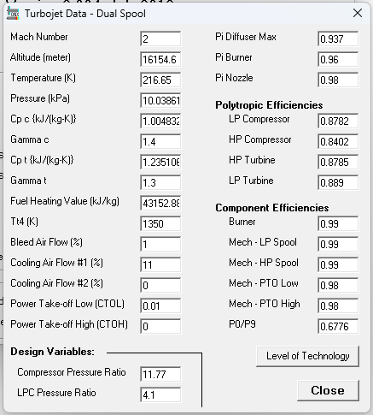
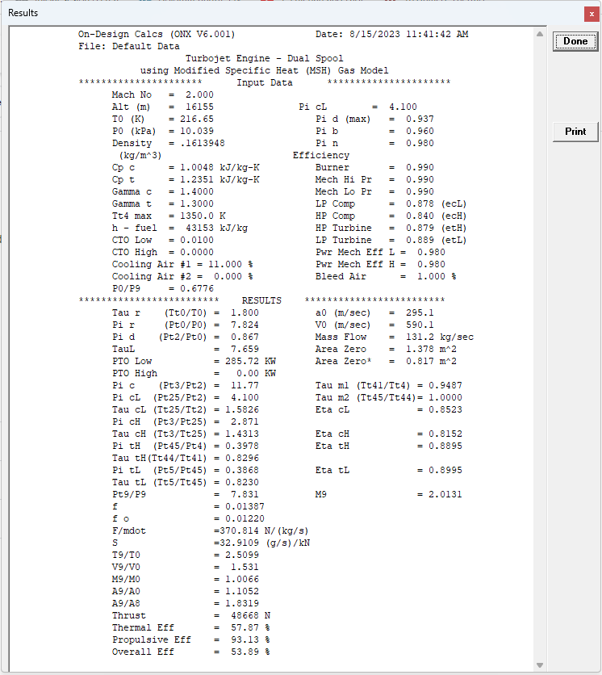

Flight Conditions |  |  | Design Point Dry | Imperial Units | Gas Turb |  | Off Design Dry | Off Design Wet | Imperial Units | Gas Turb
Static | Cruise height | m | 16130 |  |  |  | 0 | 0
 | Temperature | °C | -56.5 |  |  |  | 15.15 | 15.15
 | Temperature | °K | 216.65 |  |  |  | 288.15 | 288.15
 | Pressure | kPa | 10.04 |  |  |  | 101.10 | 101.10
 | M0 |  | 2.0 |  |  |  | 0.3 | 0.3
 |  |  |  |  |  |  |  |  |  |  | 25485
Gas Properties |  |  |  |  |  |  |  |  |  |  | 0.18274057077
 | CP cold | J/kgK | 1005.5 |  |  |  | 1005.5 | 1005.5
 | y cold |  | 1.4 |  |  |  | 1.4 | 1.4
 | CP hot | J/kg | 1086.37 |  |  |  | 1086.37 | 1086.37
 | y hot |  | 1.33 |  |  |  | 1.33 | 1.33
 | CP AB | J/kg | 1235.1 |  |  |  | 1235.1 | 1235.1
 | y AB |  | 1.3 |  |  |  | 1.3 | 1.3
 | FHV | kJ/kg | 43152.88 |  |  |  | 43152.88 | 43152.88

Design
Shaft Speed
 | LP Spool | rpm | 8382 |  |  |  | 8382 | 8382
 | HP Spool | rpm | 5819 |  |  |  | 5819 | 5819

Pressure Ratio |  |  | 11.03 |  |  |  | 18.29 | 18.29
 | Inlet | - | 0.937 |  |  |  | 0.937 | 0.937
 | OPR | - | 11.89 |  |  |  | 19.74 | 19.74
 | LPC | - | 4.100 | 11.890 |  |  | 5.700 | 5.700 | 19.745
 | HPC | - | 2.900 | 11.771 |  |  | 3.464 | 3.464 | 2.494
 | Burner | - | 0.96 |  |  |  | 0.965 | 0.965
 | Afterburner | - | 0.99 |  |  |  | 0.990 | 0.969
 | Mixer | - | 0.98 |  |  |  | 0.984 | 0.984
 | Nozzle | - | 0.98 |  |  |  | 0.980 | 1.000
 | LPC-HPC Comp Recovery |  | 0.99 |  |  |  | 0.988 | 0.988
 | HPC - LPC Turb Recovery |  | 0.98 |  |  |  | 0.980 | 0.980

Efficiency
 | Comp Polytropic (LP) | - | 0.9000 |  |  |  | 0.9000 | 0.9000
 | Comp Polytropic (HP) | - | 0.9046 |  |  |  | 0.9046 | 0.9046
 | Burner | - | 0.9900 |  |  |  | 0.9900 | 0.9900
 | Afterburner | - | 0.9900 |  |  |  | 0.9900 | 0.9900
 | Turb Polytropic (HP) | - | 0.8922 |  |  |  | 0.8922 | 0.8922
 | Turb Polytropic (LP) | - | 0.9469 |  |  |  | 0.9469 | 0.9469
 | Shaft/Mech (HP) | - | 0.9840 |  |  |  | 0.9840 | 0.9840
 | Shaft/Mech (LP) | - | 0.9840 |  |  |  | 0.9840 | 0.9840

 | LPC Isentropic | - | 0.879 |  |  |  | 0.873 | 0.873 |  |  |  |  |  |  |  |  | 257.51545461
 | HPC Isentropic | - | 0.884 |  |  |  | 0.881 | 0.881

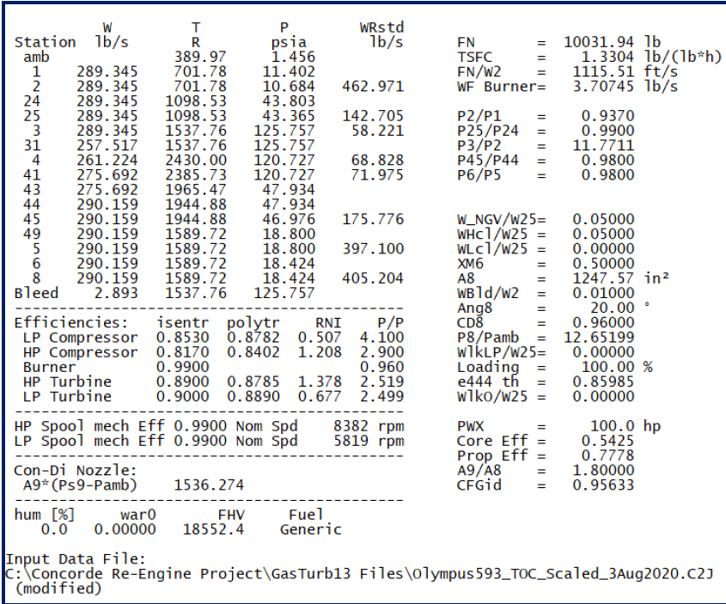
Bleeds
 | LP Compressor | % | 0.000 |  |  |  | 0.000 | 0.000
 | HP Compressor | % | 0.110 |  |  |  | 0.110 | 0.110
 | HP Turbine | % | 0.050 |  |  |  | 0.047 | 0.047
 | LP Turbine | % | 0.060 |  |  |  | 0.063 | 0.063
 | Jet Pipe Cooling | % | 0.000 |  |  |  | 0.547 | 0.547

 |  |  | 6.732 |  |  |  | 5.069 | 5.069
 | Throttle
 | TIT | °K | 1350.0 |  |  |  | 1352.1 | 1352.1
 | T-ab |  |  |  |  |  |  | 1100.0
 | Mass Flow air rate | kg/s | 131.222 |  |  |  | 299.165 | 299.016
 | A9/A8 |  | 1.8 |  |  |  | 1.05 | 1.05

Mass flow
 | core mass flow | kg/s | 131.22 | 289.345 | 289.345 | 0.0% | 299.16 | 299.02 | 659.330 | 542.651 | 21.5%
 | Combustor Fuel flow | kg/s | 1.72 | 3.791 | 3.707 | 2.3% | 4.58 | 4.58 | 10.091 | 8.501 | 18.7%
 | Afterburner fuel flow | kg/s
 | Total fuel flow | kg/s
 | bleed | kg/s | 1.043 | 2.300 | 2.893 | -20.5% | 2.312 | 2.311 | 5.096 | 5.427 | -6.1%

Components
Ambient
 | p0 | kPa | 10.0388 | 1.4560 | 1.4560 | 0.0% | 101.0958 | 101.0958 | 14.6627 | 14.6960 | -0.2%
 | Pt0 | kPa | 78.6140 | 11.4020 | 11.4020 | 0.0% | 107.9443 | 107.9443 | 15.6560 | 15.6560 | 0.0%
 | t0 | °K | 216.650 | 389.970 | 389.970 | 0.000 | 288.150 | 288.150 | 518.670 | 518.670 | 0.000
 | Tt0 | °K | 390.064 | 702.115 | 701.784 | 0.331 | 293.597 | 293.597 | 528.475 | 528.140 | 0.335
 | a0 | m/s | 295.196 | 968.491 |  |  | 340.440 | 340.440 | 1116.929
 | V0 | m/s | 590.552 | 1937.506 |  |  | 104.666 | 104.666 | 343.391
 | RairCold | kJ/kg K | 0.287 | 0.068607 | 0.068607 | 0.0% | 0.287 | 0.287 | 0.068607 | 0.068607 | 0.0%

inlet
 | Pt1 | kPa | 78.614 | 11.4020 | 11.402 | 0.0% | 107.944 | 107.944 | 15.6560 | 15.656 | 0.0%
 | Pt2 | kPa | 73.661 | 10.6837 | 10.6840 | 0.0% | 101.144 | 101.144 | 14.6697 | 14.6700 | 0.0%
 | Tt1 | °K | 390.064 | 702.115 | 701.780 | 0.335 | 293.597 | 293.597 | 528.475 | 528.140 | 0.335
 | Tt2 | °K | 390.064 | 702.115 | 701.780 | 0.335 | 293.597 | 293.597 | 528.475 | 528.140 | 0.335

LP Compressor
 | Pt2 | kPa | 73.661 | 10.6837 | 10.6840 | 0.0% | 101.144 | 101.144 | 14.6697 | 14.6700 | 0.0%
 | Pt24 | kPa | 302.011 | 43.8031 | 43.8030 | 0.0% | 576.520 | 576.520 | 83.6171 | 68.5050 | 22.1%
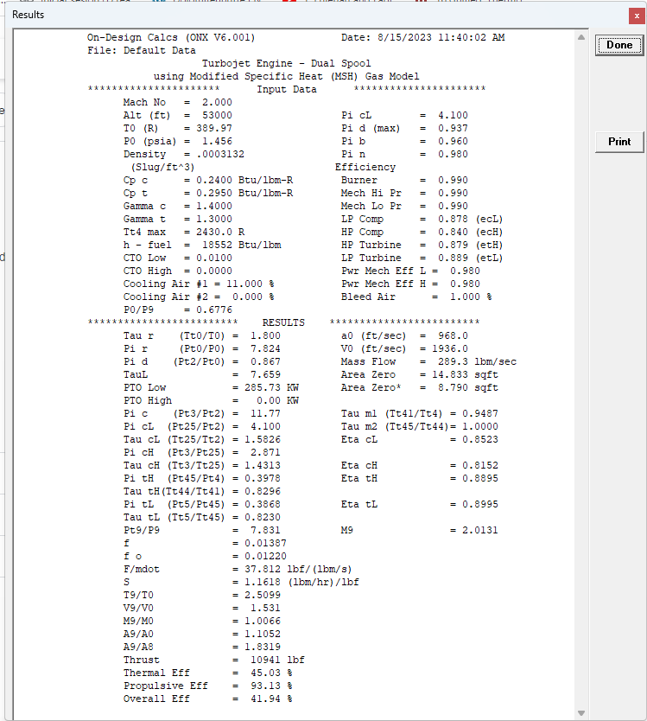
 | Tt2 | °K | 390.064 | 702.115 | 701.780 | 0.335 | 293.597 | 293.597 | 528.475 | 528.140 | 0.335
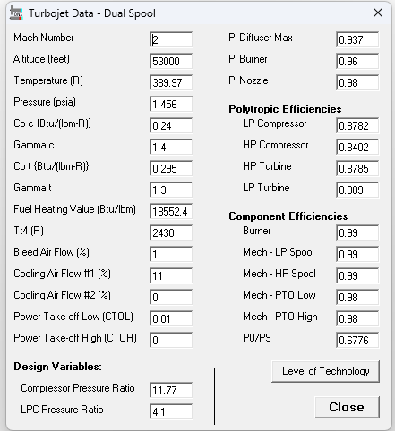
 | Tt24 | °K | 610.481 | 1098.865 | 1098.530 | 0.335 | 510.169 | 510.169 | 918.304 | 888.910 | 29.394
 | Power | MW | 29.084 |  |  |  | 65.150 | 65.118

HP compressor
 | Pt25 | kPa | 298.991 | 43.3650 | 43.3650 | 0.0% | 569.812 | 569.812 | 82.6443 | 67.7080 | 22.1%
 | Pt3 | kPa | 867.075 | 125.7586 | 125.7570 | 0.0% | 1973.830 | 1973.830 | 286.2799 | 234.5500 | 22.1%
 | Tt25 | °K | 610.481 | 1098.865 | 1098.530 | 0.335 | 510.169 | 510.169 | 918.304 | 888.910 | 29.394
 | Tt3 | °K | 854.497 | 1538.095 | 1537.760 | 0.335 | 755.316 | 755.316 | 1359.569 | 1330.380 | 29.189
 | Power | MW | 32.198 |  |  |  | 73.746 | 73.709

Burner

 | m3 | kg/s | 131.222 | 289.345 | 289.345 | 0.0% | 299.165 | 299.016 | 659.330 | 542.651 | 21.5%
 | m31 | kg/s | 116.788 | 257.517 | 257.517 | 0.0% | 266.256 | 266.124 | 586.803 | 482.959 | 21.5%
 | fuel/air ratio | - | 0.014722 |  | 0.014395 | 2.3% | 0.017196 | 0.017196 |  | 0.017602 | -2.3%
 | mf | kg/s | 1.719 | 3.791 | 3.707 | 2.3% | 4.579 | 4.576 | 10.091 | 8.501 | 18.7%
 | m4 | kg/s | 118.507 | 261.308 | 261.224 | 0.0% | 270.835 | 270.700 | 596.894 | 491.460 | 21.5%
 | Pt4 | kPa | 832.392 | 120.7282 | 120.7270 | 0.0% | 1904.765 | 1904.765 | 276.2629 | 226.3430 | 22.1%
 | Tt4 |  | 1350.000 | 2430.000 | 2430.000 | 0.000 | 1352.100 | 1352.100 | 2433.780 | 2433.780 | 0.000
 | Qb | MW | 58.144 |  |  |  | 162.873 | 162.792
 | m4 √T4/P4 |  | 5.2310 |  |  |  | 5.2284 | 5.2258
 | error | % |  |  |  |  | -0.05% | -0.10%

HP turbine
 | m41 | kg/s | 124.433 | 274.374 | 275.692 | -0.5% | 283.694 | 283.553 | 625.235 | 518.592 | 20.6%
 | Tt41 | °K | 1327.417 | 2389.351 | 2385.730 | 3.621 | 1325.816 | 1325.816 | 2386.470 | 2380.000 | 6.470
 | Tt43 | °K | 1085.358 | 1953.644 | 1965.470 | -11.826 | 1082.643 | 1082.643 | 1948.757 | 1971.830 | -23.073
 | Tt44 | °K | 1071.135 | 1928.043 | 1944.880 | -16.837 | 1062.320 | 1062.320 | 1912.175 | 1941.490 | -29.315
 | Pt41 | kPa | 832.392 | 120.7282 | 120.7270 | 0.0% | 1904.765 | 1904.765 | 276.2629 | 226.3430 | 22.1%
 | Pt43 | kPa | 335.234 | 48.622 | 47.934 | 1.4% | 762.633 | 762.633 | 110.611 | 90.759 | 21.9%
 | Pt44 | kPa | 335.234 | 48.622 | 47.934 | 1.4% | 762.633 | 762.633 | 110.611 | 90.759 | 21.9%
 | Powr | MW | 32.722 |  |  |  | 74.945 | 74.908
 | m4.5 √T4.5/P4.5 |  | 12.229 |  |  |  | 12.240 | 12.234
 | error | % |  |  |  |  | 0.09% | 0.04%

LP Turbine
 | m45 | kg/s | 131.898 | 290.836 | 290.159 | 0.2% | 301.431 | 301.281 | 664.324 | 545.725 | 21.7%
 | Tt45 | °K | 1071.135 | 1928.043 | 1944.880 | -16.837 | 1062.320 | 1062.320 | 1912.175 | 1941.490 | -29.315
 | Tt5 | °K | 864.862 | 1556.751 | 1589.720 | -32.969 | 860.132 | 860.132 | 1548.237 | 1626.840 | -78.603
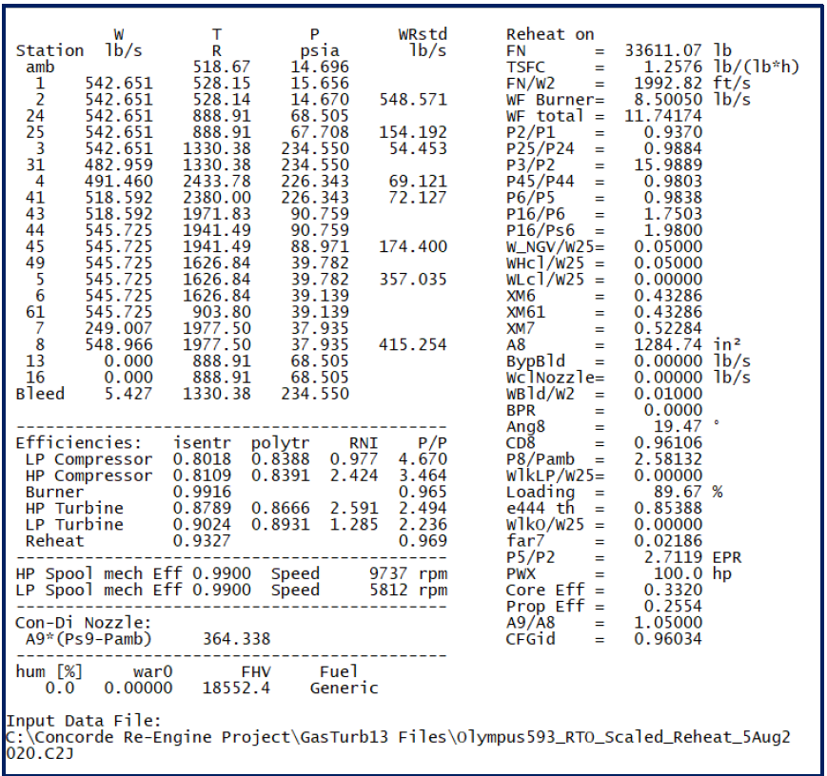
 | Pt45 | kPa | 328.529 | 47.6491 | 46.9760 | 1.4% | 747.381 | 747.381 | 108.3984 | 88.9710 | 21.8%
 | Pt5 | kPa | 132.179 | 19.1710 | 18.8000 | 2.0% | 304.278 | 304.278 | 44.1317 | 39.7820 | 10.9%
 | Powr | MW | 29.557 |  |  |  | 59.489 | 59.459
 | m5 √T5/P5 |  | 29.346 |  |  |  | 29.054 | 29.039
 | error |  |  |  |  |  | -1.00% | -1.05%

Afterburner
 | m5 | kg/s | 131.898 | 290.836 | 290.159 | 0.2% | 301.431 | 301.281 | 664.324 | 545.725 | 21.7%
 | Tt5 | °K | 864.862 | 1556.751 | 1589.720 | -32.969 | 860.132 | 860.132 | 1548.237 | 1626.840 | -78.603 | 542.651
 | Tt6 | °K | 864.862 | 1556.751 | 1589.720 | -32.969 | 860.132 | 860.132 | 1548.237 | 1626.840 | -78.603 | 482.959 | 59.692
 | Pt5 | kPa | 132.179 | 19.1710 | 18.8000 | 2.0% | 304.278 | 304.278 | 44.1317 | 39.7820 | 10.9% | 491.46 | 8.501
 | Pt6 | kPa | 129.536 | 18.7876 | 18.4240 | 2.0% | 299.359 | 299.359 | 43.4184 | 39.1390 | 10.9% | 518.592 | 0.049998986457
 | mFab | kg/s | 0.411 | 0.907 | 0.000 |  | 0.427 | 2.890 | 6.372 | 3.241 | 96.6% | 545.725 | 27.133
 | m61 | kg/s | 132.310 | 291.743 |  |  | 301.857 | 304.170 | 670.696 | 545.725 | 22.9% |  | 27.182998986
 | f ab |  | 0.0031 |  |  |  | 0.0031 | 0.0212 |  | 0.0059 | -100.0% |  | -32.509
 | Tt61 | °K |  |  |  |  | 860.1318 | 458.4651 | 825.237 | 903.8000 | -78.563
 | Pt61 | kPa |  |  |  |  | 299.3594 | 299.3594 | 43.4184 | 39.1390 | 10.9%
Nozzle
 | Con-Di
 | m7 | kg/s | 131.89845 | 290.836 | 290.159 | 0.2% | 136.61040 | 136.54248 | 301.076 | 249.007 | 20.9%
 | m8 | kg/s | 132.30966 |  |  |  | 301.85748 | 304.17049 | 670.696 | 548.966 | 22.2%
 | Pt7 | kPa | 128.240 | 18.5997 | 18.4240 | 1.0% | 296.366 | 290.151 | 42.0828 | 37.9350 | 10.9%
 | Pt8 | kPa | 125.676 | 18.2277 | 18.4240 | -1.1% | 290.439 | 290.151 | 42.0828 | 37.9350 | 10.9%
 | Tt7 | °K | 864.862 | 1556.751 | 1589.720 | -32.969 | 860.132 | 1100.000 | 1980.000 | 1977.500 | 2.500
 | Tt8 | °K | 864.862 | 1556.751 | 1589.720 | -32.969 | 860.132 | 1100.000 | 1980.000 | 1977.500 | 2.500
 | P8 | kPa | 67.911 | 9.8496 | 9.8835 | -0.3% | 156.943 | 156.787 | 22.7400 |  | #DIV/0!
 | P8 | kPa | 10.039 | 1.4560 | 1.4560 | 0.0% | 101.096 | 101.096 | 14.6627 |  | #DIV/0!
 | M8 |  | 1.000 |  |  |  | 1.000 | 1.000
 | M9 |  | 2.0339 |  | 2.0463 | -0.60% | 2.0850 | 2.0600 |  | 2.0463 | 0.67%
 | A9/A8 |  | 1.800 |  |  |  | 1.887 | 1.844 |  | 1.050 |  | 16.462
 | A8 |  | 1.323 | 2051.036 | 1247.570 | 64.4% | 1.344 | 1.178 | 1826.406 | 1284.740 | 42.2% |  |  | 1626 | 903.33333333
 | P8/P0 |  | 12.519 | 12.519 | 12.652 | -1.05% | 2.873 | 2.870 | 2.870 | 2.581 | 11.19% |  |  | 903 | 501.66666667 | 401.66666667
 | P9 |  | 15.436 | 2.2388 | 2.1688 | 3.2% | 32.852 | 34.170 | 4.9559
 | T9 | °K | 514.017 | 925.231 | 904.035 | 21.196 | 500.865 | 646.985 | 1164.573 |  | 1164.573
 | a9 | m/s | 429.273 | 1408.378 |  |  | 423.746 | 481.606 | 1580.074
 | V9 | m/s | 873.093 | 2864.479 | 2993.210 | -4.3% | 883.510 | 992.109 | 3254.952 |  |  |  |  | Air mass flow rate | kg/s | 299.16
 | R air hot | kJ/kg K | 0.26955 | 0.064 | 0.069 | -6.2% | 0.26955 | 0.26955 | 0.064 |  |  |  |  | Fuel to Air Ratio | - | 0.017196
 | rhofan | kg/m3 | 0.111 | 0.007 | 0.006 | 8.2% | 0.243 | 0.196 | 0.012 |  |  |  |  | Turbine Exit Temp | K | 860.13
 | A9 | m2 | 1.360 | 2108.396 | 2155.810 | -2.2% | 1.404 | 1.565 | 2425.368 |  |  |  |  | Turbine Exit Press | kPa | 304.28
 | Area Diff |  |  |  |  |  | 1.55% | -12.30%

Performance Parameters
 | Thrust | N | 44724 | 10063 |  |  | 139281 | 165212 | 31338 | 37173 |  |  |  | Reheat Cooling Flow Bleeding | % | 54.68
 |  |  | 44600 | 10031 |  |  | 139460 | 164945 | 31352 | 37081 |  |  |  | Dry Thrust | kN | 139,281
 |  |  | 0.3% | 0.3% |  |  | -0.1% | 0.2% | 0.0% | 0.2% |  |  |  | Wet Thrust | kN | 165,212
 | Specific Thrust | N/kg/s | 339.081 |  |  |  | 1019.549 | 1209.966
 | TSFC | Kg/s/N | 47.6380 |  | 0.77 |  | 35.9362 | 45.1895
 |  |  | 2.131 |  |  |  | 5.005 | 7.466

Sheet1 (2)
PIA

Flight Conditions |  |  | Design Point | Off Design |  |  |  | LPC | 4.2284648448
Static | Cruise height | m | 0 | 10668 |  |  |  | HPC | 4.5831485665
 | Temperature | °C | 15 | -54.3 | from ISA at cruise height given |  |  | FPR | 1.5719
 | Temperature | °K | 288 | 218.7 |  |  |  | BPR | 4.67
 | Pressure | kPa | 101.325 | 23.8 |  |  |  | TIT | 1452
 | M0 |  | 0 | 0.8

Gas Properties
 | CP cold | J/kgK | 1004.83 | 1004.83
 | y cold |  | 1.4 | 1.4 |  |  | Tr/Tl | 0.18231769501
 | CP hot | J/kg | 1235.11 | 1235.11 |  |  | Tc(D-P) | 1.5551959893 | 1.4884012089
 | y hot |  | 1.3 | 1.3 |  |  | Tr/Tl (O-D) | 0.16989917355 | 0.16989917355
 | FHV | kJ/kg | 42798.4 | 42798.4 |  |  | Tc(O-D) | 1.595777195 | 1.5241001518
 |  |  |  |  |  |  | PRC | 4.3587564315 | 3.7713127114
Design
Pressure Ratio
 | Inlet |  | 0.97 | 0.995 | 0.995
 | OPR |  | 21.1 | 30.463
 | PRC |  | 14.07 | 19.380
 | FPR |  | 1.5 | 1.572
 | LPC |  | 3.50 | 4.228 | 4.173 | 118 | 21.1
 | HPC |  | 4.02 | 4.583 | 4.609 | 110
 | Burner |  | 0.97 | 0.97
 | Fan nozzle |  | 0.98 | 0.98
 | Nozzle |  | 0.98 | 0.98
 |  |  |  |  |  |  |  |  |  | 1.4 | 1.5 | 1.55
Efficiency
 | Comp Polytropic (HP & LP) |  | 0.9 | 0.9
 | Fan Polytropic |  | 0.89 | 0.89
 | Burner |  | 0.98 | 0.98
 | Turb Polytropic (HP MP & LP) |  | 0.9 | 0.9 |  |  | Design Point
 | Shaft/Mech (HP & LP) |  | 0.99 | 0.99 |  |  | 166.363
 |  |  |  |  |  |  | 166.363
 | LPC Isentropic |  | 0.881 | 0.878 |  |  | off design
 | HPC Isentropic |  | 0.879 | 0.877 |  |  | 37.601341703
 | Fan Isentropic |  | 0.884 | 0.883 |  |  | 37.601
 |  |  |  |  |  |  | 1.866 | 0.308
 |  |  | 5.4849311249 |  |  |  | 1.866 | 0.308
 | Throttle
 | TIT | °K | 1579.7 | 1452 |  | 897.16393244 | 1452
 | mass flor air | kg/s | 518 | 292.351 |  |  |  |  |  |  |  |  |  | 4.6 | 4.65 | 4.7 | 4.75 | 4.8 | 4.85 | 4.9 | 4.95 | 5
 | Bypass Ratio |  | 4.4 | 4.670 |  | 0.061363636364 |  |  |  |  |  |  |  | 24.53318 | 24.799845 | 25.06651 | 25.333175 | 25.59984 | 25.866505 | 26.13317 | 26.399835 | 26.6665
 |  |  |  |  |  |  |  |  |  |  |  |  |  | 24.883654 | 25.1541285 | 25.424603 | 25.6950775 | 25.965552 | 26.2360265 | 26.506501 | 26.7769755 | 27.04745
Mass flow |  |  |  |  |  |  |  |  |  |  |  |  |  | 25.234128 | 25.508412 | 25.782696 | 26.05698 | 26.331264 | 26.605548 | 26.879832 | 27.154116 | 27.4284
 | core mass flow | kg/s | 95.925925926 | 51.561 |  |  |  | mt=mc+mf | mt=(1+bp)mc |  |  |  |  | 25.584602 | 25.8626955 | 26.140789 | 26.4188825 | 26.696976 | 26.9750695 | 27.253163 | 27.5312565 | 27.80935
 | fan mass flow | kg/s | 422.07407407 | 240.78975399 |  |  |  | bp=mf/mc | mc=mt/(1+bp) |  |  |  |  | 25.935076 | 26.216979 | 26.498882 | 26.780785 | 27.062688 | 27.344591 | 27.626494 | 27.908397 | 28.1903
 |  | kg/s | 518 | 292.351 |  |  |  | mf=bp*mc |  |  |  |  |  | 26.28555 | 26.5712625 | 26.856975 | 27.1426875 | 27.4284 | 27.7141125 | 27.999825 | 28.2855375 | 28.57125
Components |  |  |  |  |  |  |  |  |  |  |  |  |  | 26.636024 | 26.925546 | 27.215068 | 27.50459 | 27.794112 | 28.083634 | 28.373156 | 28.662678 | 28.9522
inlet |  |  |  |  |  |  |  |  |  |  |  |  |  | 26.986498 | 27.2798295 | 27.573161 | 27.8664925 | 28.159824 | 28.4531555 | 28.746487 | 29.0398185 | 29.33315
 | T0 | °K | 288.000 | 218.700 |  |  |  |  |  |  |  |  |  | 27.336972 | 27.634113 | 27.931254 | 28.228395 | 28.525536 | 28.822677 | 29.119818 | 29.416959 | 29.7141
 | a0 | m/s | 340.230 | 296.484 |  |  |  |  |  |  |  |  |  | 27.687446 | 27.9883965 | 28.289347 | 28.5902975 | 28.891248 | 29.1921985 | 29.493149 | 29.7940995 | 30.09505
 | V0 | m/s | 0.000 | 237.187 |  |  |  |  |  |  |  |  |  | 28.03792 | 28.34268 | 28.64744 | 28.9522 | 29.25696 | 29.56172 | 29.86648 | 30.17124 | 30.476
 | Pt0 | kPa | 101.325 | 36.279 |  |  |  |  |  |  |  |  |  | 28.388394 | 28.6969635 | 29.005533 | 29.3141025 | 29.622672 | 29.9312415 | 30.239811 | 30.5483805 | 30.85695
 | Tt0 | °K | 288.000 | 246.694 |  |  |  |  |  |  |  |  |  | 28.738868 | 29.051247 | 29.363626 | 29.676005 | 29.988384 | 30.300763 | 30.613142 | 30.925521 | 31.2379
 | Pt2 | kPa | 98.285 | 36.098 |  |  |  |  |  |  |  |  |  | 29.089342 | 29.4055305 | 29.721719 | 30.0379075 | 30.354096 | 30.6702845 | 30.986473 | 31.3026615 | 31.61885
 | Tt2 | °K | 288.000 | 218.700 |  |  |  |  |  |  |  |  |  | 29.439816 | 29.759814 | 30.079812 | 30.39981 | 30.719808 | 31.039806 | 31.359804 | 31.679802 | 31.9998
 |  |  |  |  |  |  |  |  |  |  |  |  |  | 29.79029 | 30.1140975 | 30.437905 | 30.7617125 | 31.08552 | 31.4093275 | 31.733135 | 32.0569425 | 32.38075
Fan |  |  |  |  |  |  |  |  |  |  |  |  |  | 30.140764 | 30.468381 | 30.795998 | 31.123615 | 31.451232 | 31.778849 | 32.106466 | 32.434083 | 32.7617
 | Power | MW | 16.980 | 8.269 |  |  |  |  |  |  |  |  |  | 30.491238 | 30.8226645 | 31.154091 | 31.4855175 | 31.816944 | 32.1483705 | 32.479797 | 32.8112235 | 33.14265
 | Pt13 | kPa | 147.428 | 56.742 |  |  |  |  |  |  |  |  |  | 30.841712 | 31.176948 | 31.512184 | 31.84742 | 32.182656 | 32.517892 | 32.853128 | 33.188364 | 33.5236
 | Tt13 | °K | 328.037 | 252.875 |  |  |  |  |  |  |  |  |  | 31.192186 | 31.5312315 | 31.870277 | 32.2093225 | 32.548368 | 32.8874135 | 33.226459 | 33.5655045 | 33.90455
 |  |  |  |  |  |  |  |  |  |  |  |  |  | 31.54266 | 31.885515 | 32.22837 | 32.571225 | 32.91408 | 33.256935 | 33.59979 | 33.942645 | 34.2855
Fan nozzle |  |  |  |  |  |  |  |  |  |  |  |  |  | 31.893134 | 32.2397985 | 32.586463 | 32.9331275 | 33.279792 | 33.6264565 | 33.973121 | 34.3197855 | 34.66645
 | Pt19 | kPa | 144.479 | 55.607 |  |  |  |  |  |  |  |  |  | 32.243608 | 32.594082 | 32.944556 | 33.29503 | 33.645504 | 33.995978 | 34.346452 | 34.696926 | 35.0474
 | Tt19 | °K | 328.037 | 252.875 |  |  |  |  |  |  |  |  |  | 32.594082 | 32.9483655 | 33.302649 | 33.6569325 | 34.011216 | 34.3654995 | 34.719783 | 35.0740665 | 35.42835
 | P19 | kPa | 76.326 | 29.376 |  | Since nozzle is convergent maximum mach can attain is Mach 1 |  |  |  |  |  |  |  | 32.944556 | 33.302649 | 33.660742 | 34.018835 | 34.376928 | 34.735021 | 35.093114 | 35.451207 | 35.8093
 | P19 | kPa | 101.325 | 23.800 |  |  |  |  |  |  |  |  |  | 33.29503 | 33.6569325 | 34.018835 | 34.3807375 | 34.74264 | 35.1045425 | 35.466445 | 35.8283475 | 36.19025
 | M19 |  | 0.730 | 1.000 |  |  |  |  |  |  |  |  |  | 33.645504 | 34.011216 | 34.376928 | 34.74264 | 35.108352 | 35.474064 | 35.839776 | 36.205488 | 36.5712
 | T19 | °K | 296.413 | 252.875 |  |  |  |  |  |  |  |  |  | 33.995978 | 34.3654995 | 34.735021 | 35.1045425 | 35.474064 | 35.8435855 | 36.213107 | 36.5826285 | 36.95215
 | a19 | m/s | 345.163 | 318.808 |  | P19>P0, ¿Se calcula V19eff para el off-design? |  |  |  |  | 1.4259 | 2.3364469205 |  | 34.346452 | 34.719783 | 35.093114 | 35.466445 | 35.839776 | 36.213107 | 36.586438 | 36.959769 | 37.3331
 | V19 | m/s | 252.098 | 318.808 |  |  |  |  |  |  |  |  |  | 34.696926 | 35.0740665 | 35.451207 | 35.8283475 | 36.205488 | 36.5826285 | 36.959769 | 37.3369095 | 37.71405
 | R air cold | kJ/kg K | 0.287 | 0.287 |  |  |  |  |  |  |  |  |  | 35.0474 | 35.42835 | 35.8093 | 36.19025 | 36.5712 | 36.95215 | 37.3331 | 37.71405 | 38.095
 | rhofan | kg/m3 | 0.897 | 0.405
 | A19 | m2 | 1.866 | 1.866
 | V19eff |  | 141.535 | 265.298

LP Compressor
 | Pt2 | kPa | 98.285 | 36.098
 | Tt2 | °K | 288.000 | 218.700
 | Pt2.5 | kPa | 343.998 | 152.639
 | Tt2.5 (ideal O-D) | °K | 428.660 | 345.650 |  |  | 0.0000183
 | Power | MW | 13.558 | 6.577 |  |  | 0.6880983

HP compressor
 | Pt2.5 | kPa | 343.998 | 152.639
 | Tt2.5 | °K | 428.660 | 345.650
 | Pt3 | kPa | 1382.546 | 699.566
 | Tt3 | °K | 666.650 | 560.441
 | Power | MW | 22.940 | 11.128

Burner
 | fuel/air ratio | - | 0.032 | 0.031
 | mair | kg/s | 95.926 | 51.561
 | mfuel | kg/s | 3.073 | 0.688
 | mhot | kg/s | 98.999 | 52.249
 | Pt4 | kPa | 1341.069 | 678.579

 | Qb | MW | 128.895 | 64.666
 | m4 √T4/P4 |  | 2.934 | 2.934
 | error | % |  | 0.00
HP turbine
 | Tt4 | °K | 1579.660 | 1452.000
 | Tt4.3 | °K | 1390.157 | 1277.815
 | Pt4 | kPa | 1341.069 | 678.579
 | Pt4.3 | kPa | 724.821 | 366.762
 | Powr | MW | 23.171 | 11.241
 | m4.3 √T4.3/P4.3 |  | 5.093 | 5.092 |  | HPC | 4.5683350797
 | error | % |  | 0.00
MP Turbine
 | Tt4.3 | °K | 1390.157 | 1277.815
 | Tt4.6 | °K | 1278.155 | 1174.865
 | Pt4.3 | kPa | 724.821 | 366.762
 | Pt4.6 | kPa | 483.709 | 244.759
 | Powr | MW | 13.695 | 6.644
 | m4.6 √T4.6/P4.6 |  | 7.317 | 7.317 |  | LPC | 4.2311707226
 | error | % |  | 0.0
LP Turbine
 | Tt4.6 | °K | 1278.155 | 1174.865
 | Tt5 | °K | 1137.884 | 1045.438
 | Pt4.6 | kPa | 483.709 | 244.759
 | Pt5 | kPa | 276.379 | 139.533
 | Powr | MW | 17.152 | 8.352
 | m5 √T5/P5 |  | 12.083 | 12.107 |  | FPR | 1.4362090291
 | error |  |  | 0.2
Nozzle
 | Pt7 | kPa | 276.379 | 139.533
 | Pt9 | kPa | 270.852 | 136.743
 | Tt7 | °K | 1137.884 | 1045.438
 | Tt9 | °K | 1137.884 | 1045.438
 | M9 |  | 1.000 | 1.000
 | Critic pressure relation |  | 1.832 | 1.832
 | Critic temperature relation |  | 1.150 | 1.150
 | Real pressure relation |  | 2.728 | 5.863 |  | Nozzle is chocked
 | P9 | kPa | 150.828 | 76.147
 | T9 | °K | 989.464 | 909.076
 | a9 |  | 605.499 | 580.382
 | V9 |  | 605.499 | 580.382
 | R air cold | kJ/kg K | 0.287 | 0.287
 | rhofan | kg/m3 | 0.531 | 0.292
 | A9 | m2 | 0.308 | 0.308
 | V9eff |  | 605.653 | 580.691

 | Core Thrust | kN | 59.959 | 17.948
 | Fan Thrust | kN | 106.404 | 19.654
Performance Parameters |  |  |  |  | Target
 | Thrust | kN | 166.363 | 37.601 | Off-Design | 37.601 | kN |  | 166363 | kN
 | Specific Thrust | N/kg/s | 857.751 | 899.499 | Design Point | 166.363 | kN |  | 37601 | N
 | TSFC | Kg/s/N | 1.85E-05 | 1.83E-05

 |  |  | 0% | 0%

 |  |  |  | 166.36299945 | 1590 | 1585 | 1582 | 1580 | 1579.9 | 1579.8 | 1579.7 | 1579.66 | 1579.6
 |  |  |  | 1.4 | 155.49060006 | 155.34884809 | 155.26367819 | 155.20684855 | 155.20400602 | 155.20116339 | 155.19832066 | 155.19718354 | 155.19547783
 |  |  |  | 1.5 | 166.65814244 | 166.51555626 | 166.42988323 | 166.37271706 | 166.36985769 | 166.36699821 | 166.36413862 | 166.36299476 | 166.36127894
 |  |  |  | 1.6 | 176.27838413 | 176.13495817 | 176.04877859 | 175.9912736 | 175.98839726 | 175.98552081 | 175.98264426 | 175.98149361 | 175.97976761

Total Thrust
Core Thrust | 59.959
Fan Thrust | 106.404

